Influence Chart
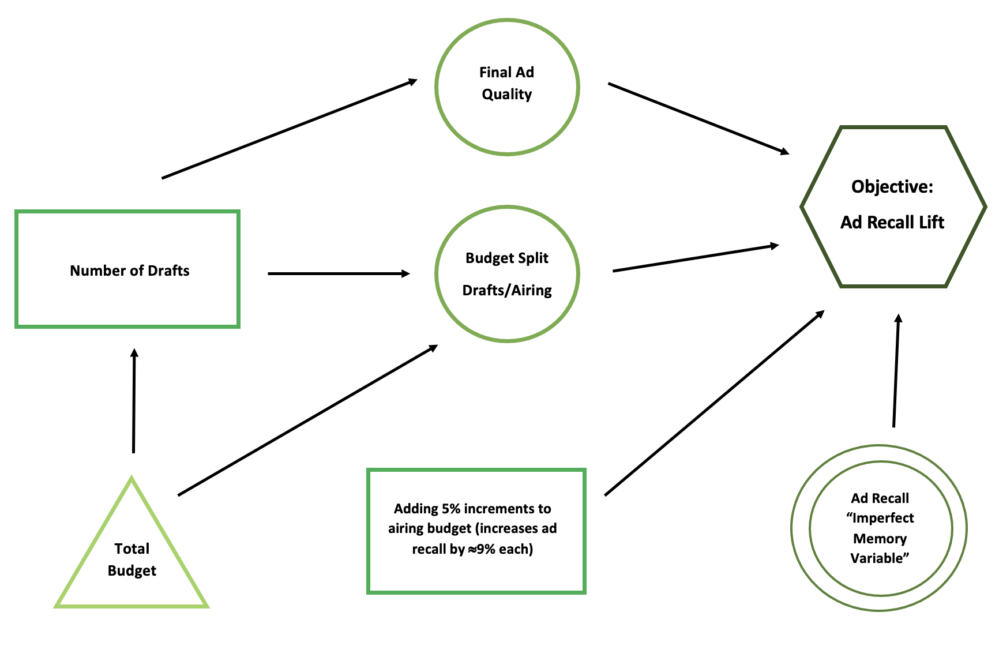
Influence Chart

Decision Tree
Decision Tree

Decision and uncertainties in order:
1. How Many Drafts to Commission
2. How Much Budget will be Approved

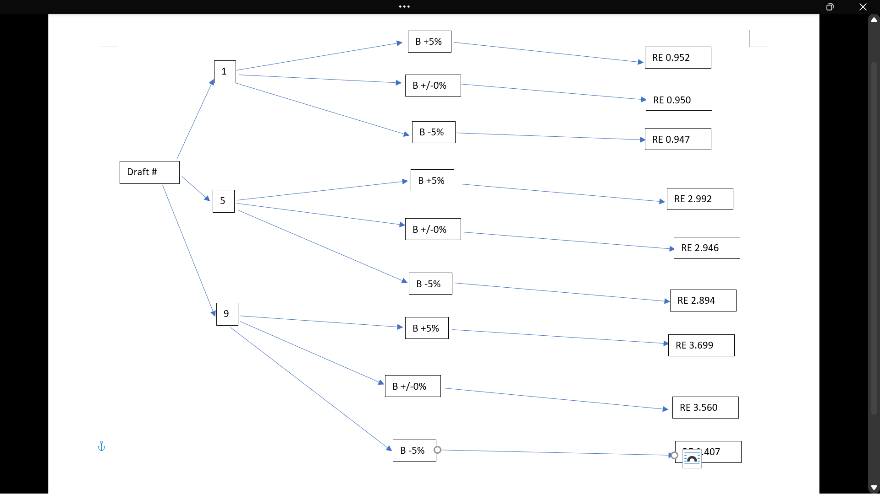
Max EMV | Draft Number | EMV | Budget | Probability | Payoff
 | 1 | 0.94959273183 | B +5% | 0.05 | 0.952
 | 1 | 0.94959273183 | B +/-0% | 0.75 | 0.950
 | 1 | 0.94959273183 | B -5% | 0.2 | 0.947
3.5364280614 | 5 | 2.9376834816 | B +5% | 0.05 | 2.992
 | 5 | 2.9376834816 | B +/-0% | 0.75 | 2.946
 | 5 | 2.9376834816 | B -5% | 0.2 | 2.894
 | 9 | 3.5364280614 | B +5% | 0.05 | 3.699
 | 9 | 3.5364280614 | B +/-0% | 0.75 | 3.560
 | 9 | 3.5364280614 | B -5% | 0.2 | 3.407

